Test Result
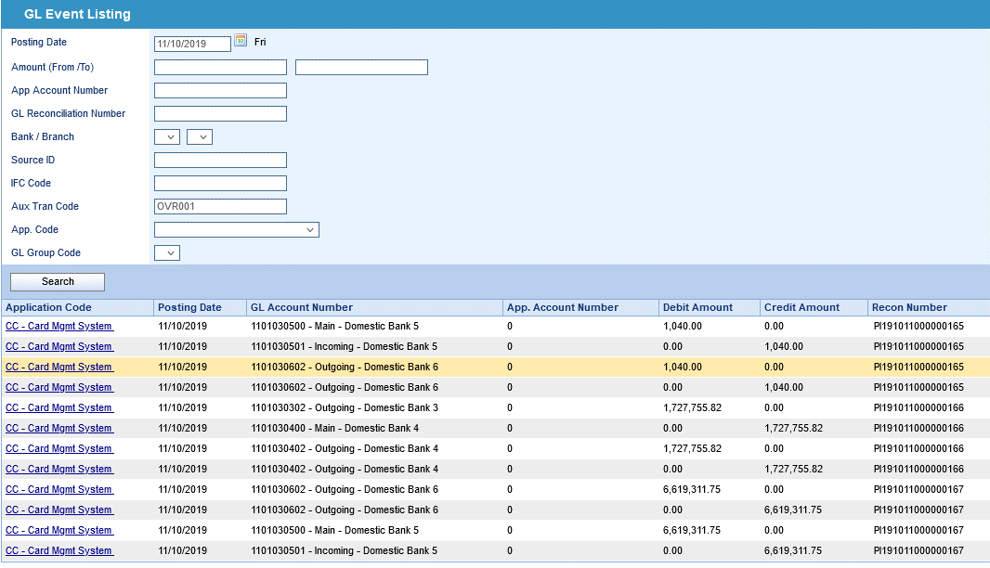
TEST RESULT

From LOCB Report, OVERPAYMENT = -8,348,107.57
Date | Sub A/C | Opening Balance | Trx Debit | Trx Credit | Payment Debit | Payment Credit | Go to Loss | Closing Balance | Variance
11102019 | ABC IPP PRINCIP'AL | 4,232.77 | 0 | 0 | 0 | 0 | 0 | 4,232.77 | 0
11102019 | ABC IPP INTEREST | 1,553.53 | 0 | 0 | 0 | 0 | 0 | 1,553.53 | 0
11102019 | ANNUAL FEE | 62,482.92 | 0 | 0 | 0 | -125 | -95 | 62,262.92 | 0
11102019 | TEST 01 | 0 | 0 | 0 | 0 | 0 | 0 | 0 | 0
11102019 | CHARGES | 247,720.22 | 248.96 | 0 | 0 | -200 | 0 | 247,769.18 | 0
11102019 | CASH FEE | 114,407.90 | 0 | 0 | 0 | -65 | 0 | 114,342.90 | 0
11102019 | CASH | 1,026,261.79 | 0 | 0 | 0 | -1,000.00 | 0 | 1,025,261.79 | 0
11102019 | CASH INTEREST | 120,180.53 | 0 | 0 | 0 | -5.91 | 0 | 120,174.62 | 0
11102019 | OTHER FEES INTEREST | 14,220.70 | 0 | 0 | 0 | 0 | -85 | 14,135.70 | 0
11102019 | GOVERNMENT SERVICE TAX | 86.29 | 0 | 0 | 0 | 0 | 0 | 86.29 | 0
11102019 | RETAIL & OTHERS INTEREST | 2,804,844.34 | 0 | 0 | 0 | -15.27 | -1,696.86 | 2,803,132.21 | 0
11102019 | INSTALLMENT INTEREST | 2,062.71 | 0.41 | 0 | 0 | -0.41 | -6.88 | 2,055.83 | 0
11102019 | INSTALLMENT PRINCIPAL | 469,036.28 | 1,833.32 | 0 | 0 | -166.66 | -1,650.00 | 469,052.94 | 0
11102019 | OVERPAYMENT | -8,346,660.44 | 0 | 0 | 0 | -1,447.13 | 0 | -8,348,107.57 | 0
11102019 | RC IPP INTEREST | 3,248.95 | 53.51 | 0 | 0 | 0 | 0 | 3,302.46 | 0
11102019 | RC IPP PRINCIPAL | 20,368.55 | 180.55 | 0 | 0 | 0 | 0 | 20,549.10 | 0
11102019 | RETAIL | 13,578,476.62 | 0 | 0 | 0 | -1,000.00 | -17,735.00 | 13,559,741.62 | 0
11102019 | SERVICE TAX | 6,012.48 | 0 | 0 | 0 | -25 | 0 | 5,987.48 | 0
11102019 | GRAND TOTAL | 10,128,536.14 | 2,316.75 | 0 | 0 | -4,050.38 | -21,268.74 | 10,105,533.77 | 0

After EOD batch run, Overpayment balances extracted to SAP GL = 8,348,107.57, which is tally with LOCB report.
1,040.00 + 1,727,755.82 + 6,619,311.75 = 8,348,107.57

Parameter Setup
PARAMETER SETUP

1. Goto GL Parameter Maintenance function and click Event Based GL.
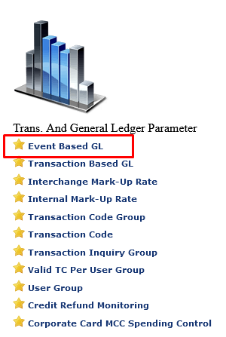

2. Click OVR Event.
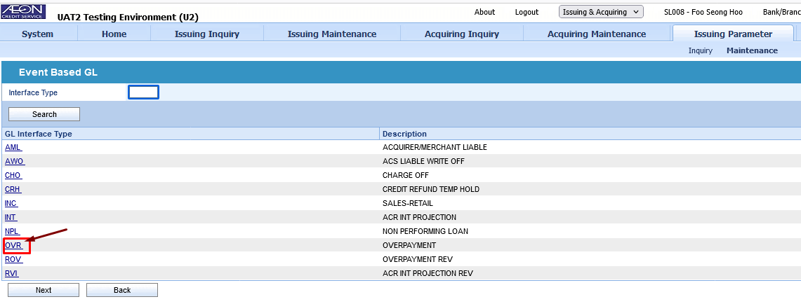

3. Click Add button
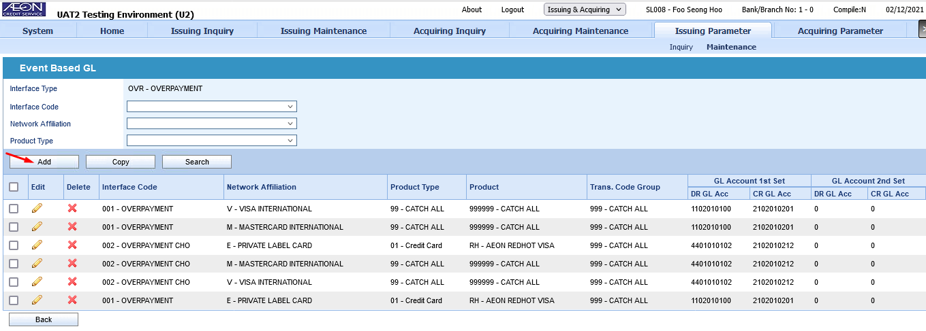

4. Input value as per below screen. Then click Save.
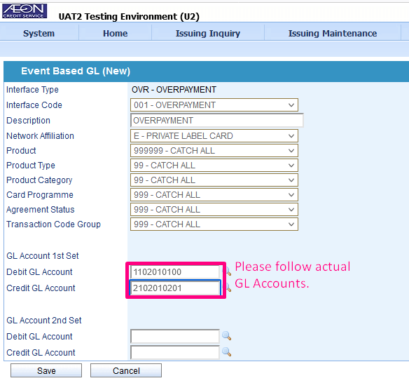

5. Follow Step 3 again and Add new parameter for Overpayment Charge-off Account.
Input according to below screen. Then click Save.
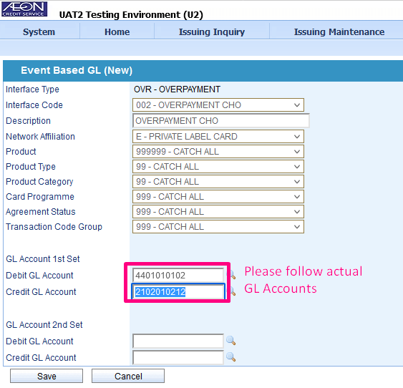

6. After added 2 new parameters, delete the existing incorrect parameters.
Follow below screen and delete the records with redbox by clicking the cross. Delete both parameter records.
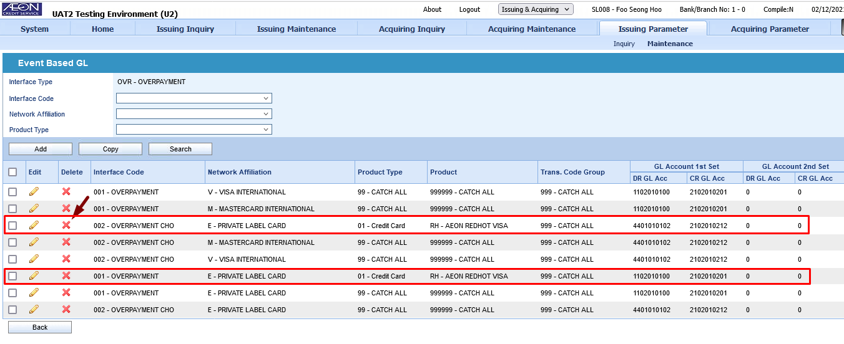

7. After completed Step 4. The screen will list the new input parameters.
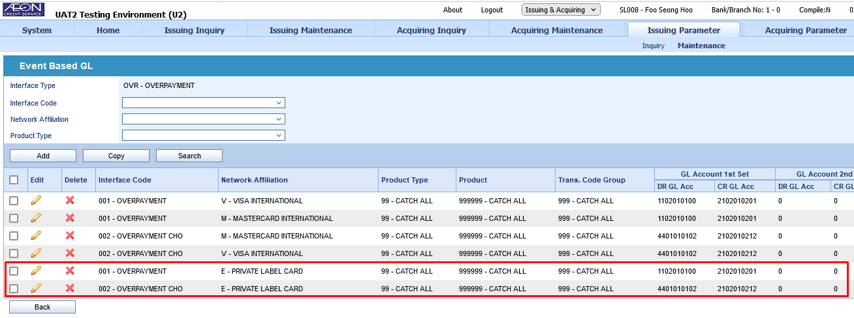

8. Completed for OVR Event.

9. Repeat Step 3 to Step 7 for ROV Event.
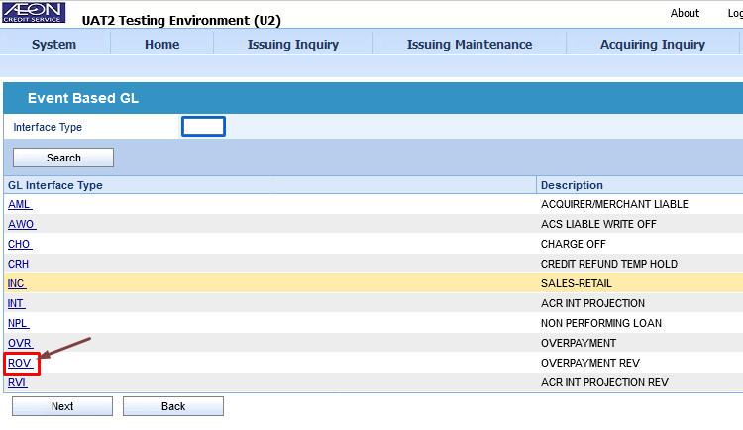

10. Completed for ROV Event.

